ptr
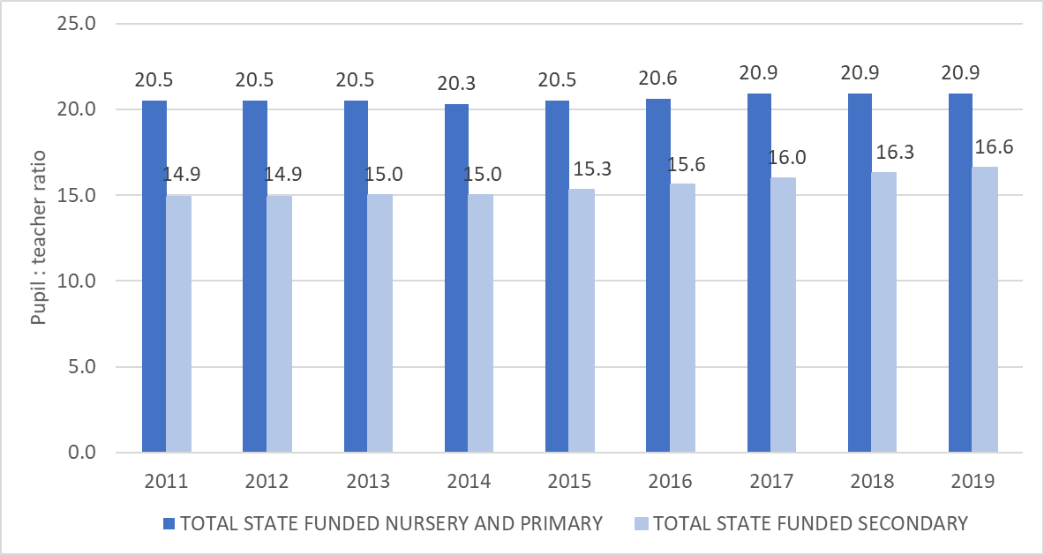
Chart: Pupil:teacher ratios (qualified and unqualified teachers) in state funded schools in England, 2011 to 2019

